溶剂分子之间规律
DFT | HOMO | LUMO | E-window | E(Hatree) | MD | HOMO | LUMO | E-window | E(Hatree)
VC-DFT | -0.27153 | -0.02255 | -0.24898 | -341.270856 | VC-MD | -0.23884 | -0.02296 | -0.21588 | -341.221063 |  |  | -6.4988364 | -0.6247416
VC-DFT | -0.2715 | -0.02251 | -0.24899 | -341.270856 | VC-noMD | -0.26881 | -0.02657 | -0.24224 | -341.237541 |  | Na | -7.3143201 | -0.7229697
EC-DFT | -0.31201 | -0.01178 | -0.30023 | -342.502522 | EC-MD | -0.30286 | -0.01534 | -0.28752 | -342.493923 | E | -162.286778 | -8.2408206 | -0.4174014
PC-DFT | -0.30735 | -0.01142 | -0.29593 | -381.835294 | PC-MD | -0.30046 | -0.01503 | -0.28543 | -381.82444 | LUMO | -0.12801 | -8.1755166 | -0.4089663
DEC-DFT | -0.29471 | -0.00377 | -0.29094 | -422.371933 | DEC-MD | -0.29251 | -0.00532 | -0.28719 | -422.359652 | HOMO | -0.021 | -7.9591971 | -0.1447572
EMC-DFT | -0.29766 | -0.00285 | -0.29481 | -383.042315 | EMC-MD | -0.29426 | -0.00452 | -0.28974 | -383.030857 |  |  | -8.0068146 | -0.1229892
DMC-DFT | -0.30058 | -0.00277 | -0.29781 | -343.712317 | DMC-MD | -0.29608 | -0.0044 | -0.29168 | -343.701991 |  |  | -8.0563368 | -0.119724
DME-DFT | -0.26399 | 0.00827 | -0.27226 | -308.954628 | DME-MD | -0.26475 | 0.00747 | -0.27222 | -308.952081 |  |  | -7.2038475 | 0.2032587

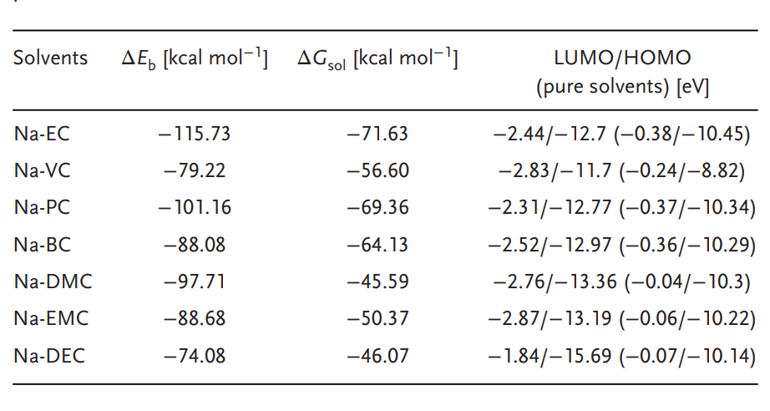
 |  |  |  |  |  |  |  | HOMO: EC>PC>DMC>EMC>DEC>DME>VC |  |  | 更负能量越高
 |  |  |  |  |  |  |  | LUMO: EC>PC>DEC>EMC>DMC>DME

